AHP Top Level Sensitivity
Make sure standard formulas -> Additive (Negative formula) is selected
IOT do AHP sensitivity at top level

Priorities wrt Benefits | No destinction / change | Priorities wrt Opportunities | No destinction / change
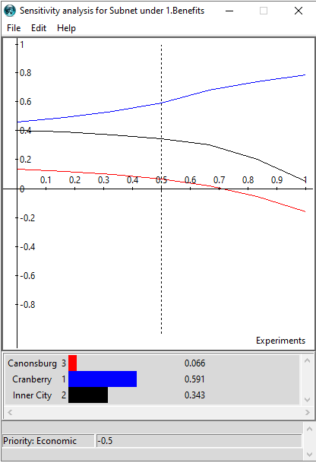
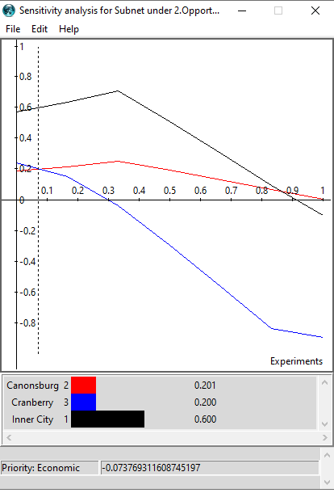

Priorities wrt Costs | No destinction / change | Priorities wrt Risks | No destinction / change
